Reading Notes
2021 AGM BRANCH OFFICER UPDATE FORM - Reading Notes
Please email this back to your regional office by 16th April 2021 |  | Regional email address:

PROCEDURE | Please detach and save this file out of email before making any changes.

The spreadsheet contains two editable worksheets: AGM Update - Officers and Branch Directory & Mailing. The Reading Notes
worksheet, (the one you are reading now), is a guide. Each branch will need to complete both editable worksheets, save and return the
entire spreadsheet via email to their regional organiser or regional office.

How to fill in the AGM Update - Officers worksheet

Click on the AGM Update - Officers worksheet (or tab) at the bottom the screen and complete your branch information. Please note that
two columns have drop down menus: the Branch AGM Quorate column, the Officer Position column.

Branch AGM Quorate

To activate the drop down menu, click on the field to the right of BRANCH AGM QUORATE and an arrow will appear. You can then select YES or NO.

Officer Position

To activate the drop down menu, click on the field under the column name and an arrow will appear. You can then scroll and click on the
relevant position. Please note that if you have officer positions that are shared between different people, you can select the same position
more than once to alert the region of this. To add more positions, go to the next available line.
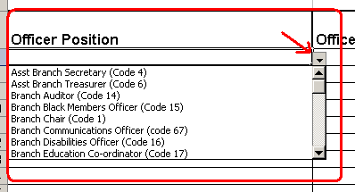

Rule G4.1.6.

A member shall hold only one of the branch secretary, branch chair or branch treasurer posts at any one time, unless otherwise determined by the National Executive Council.

Please Note: The Branch Secretary is responsible for ensuring the accuracy of the information returned on this form.

 |  | Published by RMS Operations, UNISON Centre, London

